5A
 |  |  |  |  |  |  |  |  |  | INDEX
Two Phase (Gas - Oil) Vertical separator: As per API 12J

INPUT PARAMETERS
Qg | 25 | mmscfd | Gas rate |  |  | Yellow boxes are input boxes.
Qo | 3000 | bbl/d | Oil rate |  |  |  | SCHEMATIC
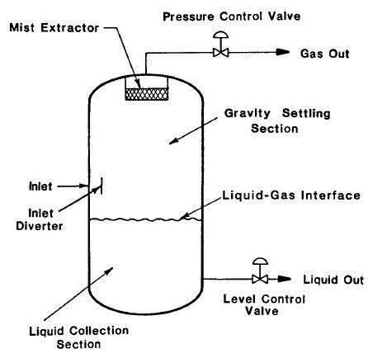
γ | 0.70 |  | Gas specific gravity
ρ'o | 40 | oAPI | Oil density
γo | 0.83 |  | Oil specific gravity
P | 814.5 | psia | Operating pressure
T' | 80 | oF | Operating temperature
T | 540 | oR | Operating temperature
MW | 20.3 | lb/lbmole | Molecular weight
t | 1 | minutes | Retention time (Refer Table 2)
Z | 0.84 |  | Gas compressibility
µg | 0.013 | cP | Gas viscosity
H | 10 | ft | Shell height (assume)
K | 0.30 | ft/s | Refer Table 1
NLL | 30% |  | Normal liquid level (assume)

CALCULATIONS |  |  |  |  |  | EQUATIONS |  | TABLES
Step 1: | Determine gas and oil properties
ρg | 3.4 | lb/ft3 | Gas operating density |  |  |  |  | Table 1
ρo | 51.5 | lb/ft3 | Oil operating density |  |  |  |  | Height, ft | Typical K factor range
 |  |  |  |  |  |  |  | 5 | 0.12 to 0.24
Step 2: |  |  |  |  |  |  |  | 10 | 0.18 to 0.35
Va | 1.13 | ft/s
Qg,a | 4.55 | ft3/s | Actual volume flow of gas |  |  |  |  | Table 2
Ag,min | 4.03 | ft2 | Minimum gas flow area |  |  |  |  | Oil Gravities | Retention time, minutes (Typical)
Dmin | 27 | in | Minimum ID of separator |  |  |  |  | Above 35 oAPI | 1
 |  |  |  |  |  |  |  | 20 to 30 oAPI | 1 to 2
Dselected | 30 | in | Next larger and appropriate size |  |  |  |  | 10 to 20 oAPI | 2 to 4
H | 10 | ft | Shell height
H / D | 4.0 | unitless | Refer Note 4

Step 3:
V | 2.6 | bbl | Liquid volume (excluding bottom head)
W | 3777 | bpd | Liquid capacity of separator should be more than 3000 bpd (input value)

NOTES
1. The maximum allowable superficial velocity calculated from the above factors is for separators normally having a wire mesh mist extractor. This rate should allow all liquid droplets larger than 10 microns to settle out of gas.

2. Additional resource for K factor from GPSA Engineering Data Book:
 | Pressure, barg |  | K factor, m/s |  | Adjustment of K factor for pressure
 | 0 |  | 0.11 |  | Pressure, psig |  | % of Design value
 | 7 |  | 0.11 |  | Atm. |  | 100
 | 21 |  | 0.10 |  | 150 |  | 90
 | 42 |  | 0.09 |  | 300 |  | 85
 | 63 |  | 0.08 |  | 600 |  | 80
 | 105 |  | 0.07 |  | 1150 |  | 75

 | GPSA Notes:
 | 1. K = 0.107 at a gauge pressure of 7 bar. Subtract 0.003 for every 7 bar above a gauge pressure of 7 bar.
 | 2. For glycol or amine solutions, multiply above K values by 0.6 - 0.8.
 | 3. Typically use one-half of the above K values for approximate sizing of vertical separators without mesh pads.
 | 4. For compressor suction scrubbers and expander inlet separators, multiply K by 0.7 - 0.8.
3. Additional resource for retention times from gas Conditioning and Processing, Volume 2.
 | Natural gas-oil |  |  | 1 to 3 minutes
 | Lean oil surge tanks |  |  | 10 to 15 minutes
 | Fractionation feed surge tanks |  |  | 8 to 15 minutes
 | Refrigerant surge tanks |  |  | 4 to 7 minutes
 | Refrigerant econonomizers |  |  | 2 to 3 minutes
4. As per GPSA, typical vertical H/D ratios are normally in the 2 to 4 range.

5B
 |  |  |  |  |  |  |  |  |  | INDEX
Two Phase (Gas - Oil) Horizontal Separator: As per API 12J

INPUT PARAMETERS |  |  |  |  |  |  | SCHEMATIC
Qg | 25 | mmscfd | Gas rate |  |  | Yellow boxes are input boxes.
Qo | 3000 | bbl/d | Oil rate
γ | 0.70 |  | Gas specific gravity
ρ'o | 40 | oAPI | Oil density
γo | 0.83 |  | Oil specific gravity
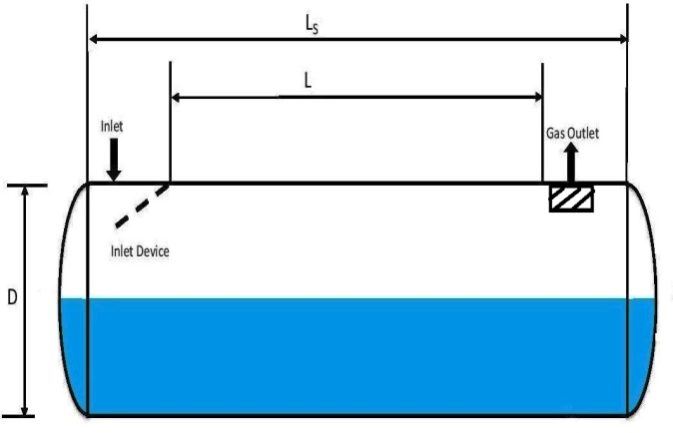
P | 814.5 | psia | Operating pressure
T' | 80 | oF | Operating temperature
T | 540 | oR | Operating temperature
MW | 20.3 | lb/lbmole | Molecular weight
t | 1 | minutes | Retention time (Refer Table 2)
Z | 0.84 |  | Gas compressibility
µg | 0.012 | cP | Gas viscosity
K | 0.5 | ft/s | Refer Table 1
NLL | 30% |  | Normal liquid level (assume)
L | 10 | ft | Shell Length (assume)

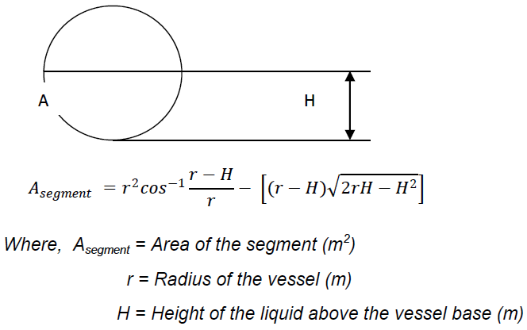
CALCULATIONS |  |  |  |  |  | EQUATIONS |  | TABLES
Step 1: | Determine gas and oil properties
ρg | 3.4 | lb/ft3 | Gas operating density |  |  |  |  | Table 1
ρo | 51.5 | lb/ft3 | Oil operating density |  |  |  |  | Length, ft | Typical K factor range, ft/s
 |  |  |  |  |  |  |  | 10 | 0.4 to 0.5
Step 2: |  |  |  |  |  |  |  | Other Lengths | 0.4 to 0.5 x (L/10)0.56
Va | 1.881 | ft/s
Qg,a | 4.55 | ft3/s | Actual volume flow of gas |  |  |  |  | Table 2
Ag,min | 2.42 | ft2 | Minimum gas flow area |  |  |  |  | Oil Gravities | Retention time, minutes (Typical)
Dmin | 4 | in | Assume |  |  |  |  | Above 35 oAPI | 1
Ag,min | 2.42 | ft2 |  |  |  |  |  | 20 to 30 oAPI | 1 to 2
Error | 0.00 |  |  |  |  |  |  | 10 to 20 oAPI | 2 to 4
Dselected | 30 | in | Next larger and appropriate size
L | 10 | ft | Shell length
L / D | 4.0 | unitless | Refer Note 4

Step 3:
V | 3 | bbl | Liquid volume (excluding bottom head)
W | 3644 | bpd | Liquid capacity of separator should be more than 3000 bpd (input value)

NOTES
1. The maximum allowable superficial velocity calculated from the above factors is for separators normally having a wire mesh mist extractor. This rate should allow all liquid droplets larger than 10 microns to settle out of gas.

2. Additional resource for K factor from GPSA Engineering Data Book:
 | Pressure, barg |  | K factor, m/s |  | Adjustment of K factor for pressure
 | 0 |  | 0.11 |  | Pressure, psig |  | % of Design value
 | 7 |  | 0.11 |  | Atm. |  | 100
 | 21 |  | 0.10 |  | 150 |  | 90
 | 42 |  | 0.09 |  | 300 |  | 85
 | 63 |  | 0.08 |  | 600 |  | 80
 | 105 |  | 0.07 |  | 1150 |  | 75

 | GPSA Notes:
 | 1. K = 0.107 at a gauge pressure of 7 bar. Subtract 0.003 for every 7 bar above a gauge pressure of 7 bar.
 | 2. For glycol or amine solutions, multiply above K values by 0.6 - 0.8.
 | 3. For compressor suction scrubbers and expander inlet separators, multiply K by 0.7 - 0.8.
3. Additional resource for retention times from gas Conditioning and Processing, Volume2.
 | Natural gas-oil |  |  | 1 to 3 minutes
 | Lean oil surge tanks |  |  | 10 to 15 minutes
 | Fractionation feed surge tanks |  |  | 8 to 15 minutes
 | Refrigerant surge tanks |  |  | 4 to 7 minutes
 | Refrigerant econonomizers |  |  | 2 to 3 minutes
4. As per GPSA, typical horizontal L/D ratios are normally in the 2.5 to 5 range.

5C
 |  |  |  |  |  |  |  |  |  | INDEX
Three Phase (Gas - Oil - Water) Horizontal Separator: As per API 12J

INPUT PARAMETERS
Qg | 8 | mmscfd | Gas rate |  |  | Yellow boxes are input boxes. | SCHEMATIC
Qo | 8000 | bbl/d | Oil rate
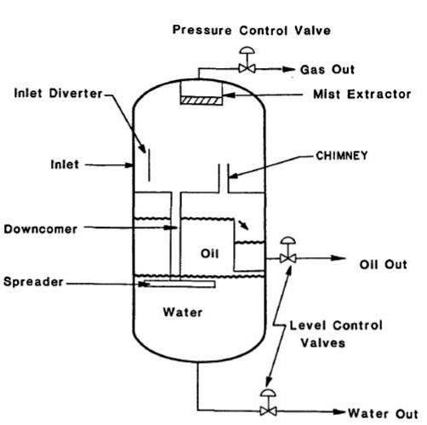
Qw | 3000 | bbl/d | Water rate
γ | 0.70 |  | Gas specific gravity
ρ'o | 40 | oAPI | Oil density
γo | 0.83 |  | Oil specific gravity
P | 250 | psia | Operating pressure
T' | 60 | oF | Operating temperature
T | 520 | oR | Operating temperature
MW | 20.3 | lb/lbmole | Molecular weight
H | 18 | ft | Shell height (assume)
to | 5 | minutes | Oil retention time (Refer Table 2)
tw | 5 | minutes | Water retention time (Refer Table 2)
Z | 0.84 |  | Gas compressibility
µg | 0.013 | cP | Gas viscosity
K | 0.35 | ft/s | Refer Table 1
NLL | 50% |  | Normal liquid level (assume)

CALCULATIONS |  |  |  |  |  | EQUATIONS |  | TABLES
Step 1: | Determine gas and oil properties
ρg | 1.1 | lb/ft3 | Gas operating density |  |  |  |  | Table 1
ρo | 51.5 | lb/ft3 | Oil operating density |  |  |  |  | Height, ft | Typical K factor range, ft/s
 |  |  |  |  |  |  |  | 5 | 0.12 to 0.24
Step 2: |  |  |  |  |  |  |  | 10 | 0.18 to 0.35
Va | 2.4 | ft/s
Qg,a | 4.58 | ft3/s | Actual volume flow of gas |  |  |  |  | Table 2
Ag,min | 1.92 | ft2 | Minimum gas flow area |  |  |  |  | Oil Gravities | Retention time, minutes (Typical)
Dmin | 19 | in | Assume |  |  |  |  | Above 35 oAPI | 3 to 5
Dselected | 96 | in | Next larger (than Dmin) and appropriate size |  |  |  |  | Below 35 oAPI
H | 18 | ft | Shell height |  |  |  |  | 100+ oF | 5 to 10
H / D | 2.3 | unitless | Refer Note 4 |  |  |  |  | 80+ oF | 10 to 20
 |  |  |  |  |  |  |  | 60+ oF | 20 to 30
Step 3:
V | 81 | bbl | Liquid volume (excluding bottom head)
W | 11602 | bpd | Liquid capacity of separator should be more than 11000 bpd (input value)

NOTES
1. The maximum allowable superficial velocity calculated from the above factors is for separators normally having a wire mesh mist extractor. This rate should allow all liquid droplets larger than 10 microns to settle out of gas.

2. Additional resource for K factor from GPSA Engineering Data Book:
 | Pressure, barg |  | K factor, m/s |  | Adjustment of K factor for pressure
 | 0 |  | 0.11 |  | Pressure, psig |  | % of Design value
 | 7 |  | 0.11 |  | Atm. |  | 100
 | 21 |  | 0.10 |  | 150 |  | 90
 | 42 |  | 0.09 |  | 300 |  | 85
 | 63 |  | 0.08 |  | 600 |  | 80
 | 105 |  | 0.07 |  | 1150 |  | 75

 | GPSA Notes:
 | 1. K = 0.107 at a gauge pressure of 7 bar. Subtract 0.003 for every 7 bar above a gauge pressure of 7 bar.
 | 2. For glycol or amine solutions, multiply above K values by 0.6 - 0.8
 | 3. Typically use one-half of the above K values for approximate sizing of vertical separators without mesh pads
 | 4. For compressor suction scrubbers and expander inlet separators, multiply K by 0.7 - 0.8
3. Additional resource for retention times from gas Conditioning and Processing, Volume2.
 | Natural gas-oil |  |  | 1 to 3 minutes
 | Lean oil surge tanks |  |  | 10 to 15 minutes
 | Fractionation feed surge tanks |  |  | 8 to 15 minutes
 | Refrigerant surge tanks |  |  | 4 to 7 minutes
 | Refrigerant econonomizers |  |  | 2 to 3 minutes
4. As per GPSA, typical horizontal H/D ratios are normally in the 2 to 4 range.

5D
 |  |  |  |  |  |  |  |  |  | INDEX
Three Phase (Gas - Oil) Horizontal Separator: As per API 12J

INPUT PARAMETERS
Qg | 8 | mmscfd | Gas rate |  |  | Yellow boxes are input boxes. | SCHEMATIC
Qo | 8000 | bbl/d | Oil rate
Qw | 3000 | bbl/d | Water rate
γ | 0.70 |  | Gas specific gravity
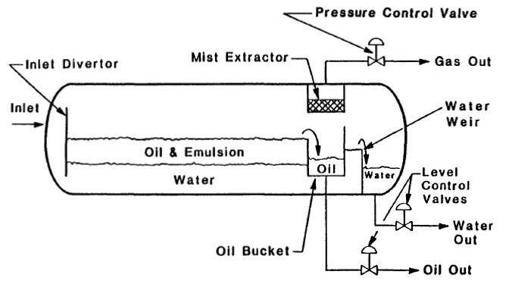
ρ'o | 40 | oAPI | Oil density
γo | 0.83 |  | Oil specific gravity
P | 250 | psia | Operating pressure
T' | 60 | oF | Operating temperature
T | 520 | oR | Operating temperature
MW | 20.3 | lb/lbmole | Molecular weight
L | 18 | ft | Shell Length (assume)
to | 5 | minutes | Oil retention time (Refer Table 2)
tw | 5 | minutes | Water retention time (Refer Table 2)
Z | 0.84 |  | Gas compressibility
µg | 0.013 | cP | Gas viscosity
K | 0.35 | ft/s | Refer Table 1
NLL | 50% |  | Normal liquid level (assume)

CALCULATIONS |  |  |  |  |  | EQUATIONS |  | TABLES
Step 1: | Determine gas and oil properties
ρg | 1.1 | lb/ft3 | Gas operating density |  |  |  |  | Table 1
ρo | 51.5 | lb/ft3 | Oil operating density |  |  |  |  | Length, ft | Typical K factor range, ft/s
 |  |  |  |  |  |  |  | 10 | 0.4 to 0.5
Step 2: |  |  |  |  |  |  |  | Other Lengths | 0.4 to 0.5 x (L/10)0.56
Va | 2.388 | ft/s
Qg,a | 4.58 | ft3/s | Actual volume flow of gas |  |  |  |  | Table 2
Ag,min | 1.92 | ft2 | Minimum gas flow area |  |  |  |  | Oil Gravities | Retention time, minutes (Typical)
Dmin | 2.4 | in | Assume |  |  |  |  | Above 35 oAPI | 3 to 5
Ag,min | 1.92 | ft2 |  |  |  |  |  | Below 35 oAPI
Error | 0.00 |  |  |  |  |  |  | 100+ oF | 5 to 10
Dselected | 78 | in | Next larger (than Dmin) and appropriate size |  |  |  |  | 80+ oF | 10 to 20
L | 18 | ft | Shell length |  |  |  |  | 60+ oF | 20 to 30
L / D | 2.8 | unitless | Refer Note 4

Step 3:
V | 77 | bbl | Liquid volume (excluding bottom head)
W | 11036 | bpd | Liquid capacity of separator should be more than 11000 bpd (input value)

NOTES
1. The maximum allowable superficial velocity calculated from the above factors is for separators normally having a wire mesh mist extractor. This rate should allow all liquid droplets larger than 10 microns to settle out of gas.

2. Additional resource for K factor from GPSA Engineering Data Book:
 | Pressure, barg |  | K factor, m/s |  | Adjustment of K factor for pressure
 | 0 |  | 0.11 |  | Pressure, psig |  | % of Design value
 | 7 |  | 0.11 |  | Atm. |  | 100
 | 21 |  | 0.10 |  | 150 |  | 90
 | 42 |  | 0.09 |  | 300 |  | 85
 | 63 |  | 0.08 |  | 600 |  | 80
 | 105 |  | 0.07 |  | 1150 |  | 75

 | GPSA Notes:
 | 1. K = 0.107 at a gauge pressure of 7 bar. Subtract 0.003 for every 7 bar above a gauge pressure of 7 bar.
 | 2. For glycol or amine solutions, multiply above K values by 0.6 - 0.8
 | 3. For compressor suction scrubbers and expander inlet separators, multiply K by 0.7 - 0.8
3. Additional resource for retention times from gas Conditioning and Processing, Volume2.
 | Natural gas-oil |  |  | 1 to 3 minutes
 | Lean oil surge tanks |  |  | 10 to 15 minutes
 | Fractionation feed surge tanks |  |  | 8 to 15 minutes
 | Refrigerant surge tanks |  |  | 4 to 7 minutes
 | Refrigerant econonomizers |  |  | 2 to 3 minutes
4. As per GPSA, typical horizontal L/D ratios are normally in the 2.5 to 5 range.

6A
 |  |  |  |  |  |  | INDEX
Two Phase (Gas - Oil) Vertical Separator: As per "Petroleum and Gas Field Processing - Hussein K. Abdel-Aal, Mohamed Aggour, M. A. Fahim"

INPUT PARAMETERS |  |  |  |  | SCHEMATIC
Qg | 15 | mmscfd | Gas rate | Yellow boxes are input boxes.
Qo | 3000 | bbl/d | Oil rate
γ | 0.6 |  | Gas specific gravity
ρ'o | 35.0 | oAPI | Oil density
γo | 0.85 |  | Oil specific gravity
P | 985 | psia | Operating pressure
T' | 60 | oF | Operating temperature
T | 520 | oR | Operating temperature
t | 3 | minutes | Retention time (Refer Table 1)
Z | 0.84 |  | Gas compressibility
µg | 0.013 | cP | Gas viscosity
dm | 100 | Micron | Smallest oil droplet size to be removed

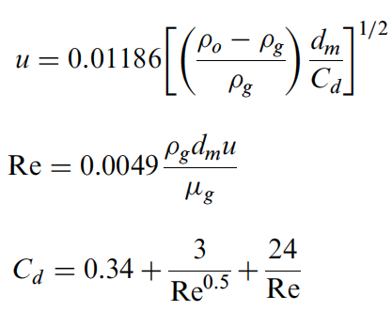
CALCULATIONS |  |  |  | EQUATIONS
Step 1: | Determine gas and oil properties
ρg | 3.7 | lb/ft3 | Gas operating density
ρo | 53.0 | lb/ft3 | Oil operating density

Step 2: | Determine Cd
Cd | 1.14 | Assume | Drag coefficient
u | 0.41 | ft/s | Settling velocity of oil droplet
Re | 56 |  | Reynolds no.
Cd | 1.17
Click me
Error | 0.00 |  | Use goal seek to get error zero, by changing asssumed Cd

Step 3: | Check for gas capacity constraint
D2 | 978 | in2
Dmin | 31.3 | in | Minimum allowable vessel diameter for separation of oil droplets down to 100 micron

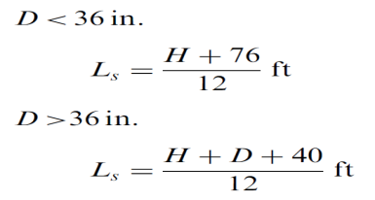
Step 4: | Check for liquid capacity constraint
D2H | 77085

Try different combinations of D.
TABLE 1
D, in | H, in | Ls, ft | SR
30 | 85.7 | 13.5 | 5.4
36 | 59.5 | 11.3 | 3.8
42 | 43.7 | 10.5 | 3.0
48 | 33.5 | 10.1 | 2.5
54 | 26.4 | 10.0 | 2.2 | TABLE 2 (Ref. API 12J)
60 | 21.4 | 10.1 | 2.0 | Oil Gravities |  | Retention time, minutes (Typical)
66 | 17.7 | 10.3 | 1.9 | Above 35 oAPI |  | 1
72 | 14.9 | 10.6 | 1.8 | 20 to 30 oAPI |  | 1 to 2
78 | 12.7 | 10.9 | 1.7 | 10 to 20 oAPI |  | 2 to 4
84 | 10.9 | 11.2 | 1.6
90 | 9.5 | 11.6 | 1.6

Ls | 11.3 | ft | Seam to seam length (select from Table 1)
SR | 3.8 |  | Slenderness ratio (typical value 3 to 4) (select from Table 1)
D | 36.0 | in | Separator diameter (select from Table 1)

NOTES
1. As per GPSA, typical vertical H/D ratios are normally in the 2 to 4 range.

6B
 |  |  |  |  |  |  |  |  |  |  | INDEX
Two Phase (Gas - Oil) Horizontal Separator: As per "Petroleum and Gas Field Processing - Hussein K. Abdel-Aal, Mohamed Aggour, M. A. Fahim"

INPUT PARAMETERS
Qg | 15 | mmscfd | Gas rate |  |  |  | Yellow boxes are input boxes. |  | SCHEMATIC
Qo | 3000 | bbl/d | Oil rate
γ | 0.6 |  | Gas specific gravity

ρ'o | 35.0 | oAPI | Oil density
γo | 0.85 |  | Oil specific gravity
P | 985 | psia | Operating pressure
T' | 60 | oF | Operating temperature
T | 520 | oR | Operating temperature
t | 3 | minutes | Retention time (Refer Table 2)
Z | 0.84 |  | Gas compressibility
µg | 0.013 | cP | Gas viscosity
dm | 100 | Micron | Smallest oil droplet size to be removed
NLL | 50% |  | Normal Liquid Level

CALCULATIONS |  |  |  |  |  |  | EQUATIONS
Step 1: | Determine gas and oil properties
ρg | 3.7 | lb/ft3 | Gas operating density
ρo | 53.0 | lb/ft3 | Oil operating density

Step 2: | Determine Cd
Cd | 1.2 | Assume | Drag coefficient
u | 0.40 | ft/s | Settling velocity of oil droplet
Re | 55 |  | Reynolds no.
Click me
Cd | 1.19
Click me
Error | 0.00 |  | Use goal seek to get error zero, by changing asssumed Cd

Step 3: | Check for gas capacity constraint
LD | 83 | in.ft

Step 4: | Check for liquid capacity constraint
D2L | 12852 | in2.ft

Try different combinations of D.
TABLE 1
D, in | Lg, ft | Ls, ft (gas) | Lo, ft | Ls, ft (oil) | Governing case | SR = 12 ls (oil or gas)/D
6 | 13.85 | 14.35 | 357.00 | 476.0 | Liquid Capacity | 952.00
12 | 6.93 | 7.93 | 89.25 | 119.0 | Liquid Capacity | 119.00
24 | 3.46 | 5.46 | 22.31 | 29.8 | Liquid Capacity | 14.88 |  | TABLE 2 (Ref. API 12J)
30 | 2.77 | 5.27 | 14.28 | 19.0 | Liquid Capacity | 7.62 |  | Oil Gravities |  | Retention time, minutes (Typical)
36 | 2.31 | 5.31 | 9.92 | 12.4 | Liquid Capacity | 4.14 |  | Above 35 oAPI |  | 1
42 | 1.98 | 5.48 | 7.29 | 9.8 | Liquid Capacity | 2.80 |  | 20 to 30 oAPI |  | 1 to 2
48 | 1.73 | 5.73 | 5.58 | 8.1 | Liquid Capacity | 2.02 |  | 10 to 20 oAPI |  | 2 to 4
54 | 1.54 | 6.04 | 4.41 | 6.9 | Liquid Capacity | 1.53
60 | 1.39 | 6.39 | 3.57 | 6.1 | Gas capacity | 1.28
66 | 1.26 | 6.76 | 2.95 | 5.5 | Gas capacity | 1.23
72 | 1.15 | 7.15 | 2.48 | 5.0 | Gas capacity | 1.19

Ls | 12.4 | ft | Seam to seam length (select from Table 1)
SR | 4.1 |  | Slenderness ratio (typical value 3 to 5) (select from Table 1)
D | 36 | in | Separator diameter (select from Table 1)

NOTES
1. As per GPSA, typical horizontal L/D ratios are normally in the 2.5 to 5 range.
2. If D>30", Ls = 2.5 + Lo; Else, Ls = (4/3)*Lo Ref. http://process-designs.com/separators_and_scrubbers/separators_and_scrubbers.jsp

6C
 |  |  |  |  |  |  | INDEX
Three Phase (Gas - Oil - Water) Vertical Separator: As per "Petroleum and Gas Field Processing - Hussein K. Abdel-Aal, Mohamed Aggour, M. A. Fahim"

INPUT PARAMETERS
Qg | 8 | mmscfd | Gas rate | Yellow boxes are input boxes. | SCHEMATIC
Qo | 8000 | bbl/d | Oil rate
Qw | 3000 | bbl/d | Water rate
ρ'o | 27.6 | oAPI | Oil density
γo | 0.89 |  | Oil specific gravity
µo | 20 | cP | Oil viscosity
γw | 1.04 |  | Water specific gravity
γ | 0.65 |  | Gas specific gravity
Z | 0.89 |  | Gas compressibility
P | 250 | psia | Operating pressure
T' | 95 | oF | Operating temperature
T | 555 | oR | Operating temperature
tw | 10 | minutes | Water retention time (Refer Table 2)
to | 15 | minutes | Oil retention time (Refer Table 2)
µg | 0.013 | cP | Gas viscosity
dm,w | 500 | Micron | Smallest water droplet size to be removed
dm,o | 100 | Micron | Smallest oil droplet size to be removed

CALCULATIONS |  |  |  | EQUATIONS
Step 1: | Determine gas and oil properties
ρg | 0.89 | lb/ft3 | Gas operating density
ρo | 55.5 | lb/ft3 | Oil operating density

Step 2: | Determine Cd
Cd | 2.07 | Assume | Drag coefficient
u | 0.65 | ft/s | Settling velocity of oil droplet
Re | 22 |  | Reynolds no.
Cd | 2.09
Click me
Error | 0.00 |  | Use goal seek to get error zero, by changing asssumed Cd

Step 3: | Determine minimum diameter for water droplet settling
D2min | 28428 | in2
Dmin | 168.6 | in

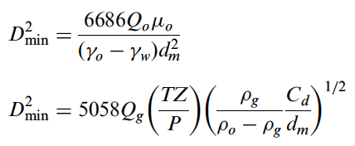
Step 4: | Check for gas capacity constraint
D2min | 1475 | in2
Dmin | 38.4 | in

Dmin | 168.6 | in | Larger of Step 2 and 3 values

Step 5: | Check for liquid capacity constraint
D2(Ho + Hw) | 1286400 | in3

Try different combinations of D.
TABLE 1 |  |  |  | TABLE 2 (Ref. API 12J)
D, in | Ho + Hw, in | Ls, ft | SR = 12 Ls / D | Oil Gravities |  | Retention time, minutes (Typical)
16 | 5025 | 425.1 | 318.8 | Above 35 oAPI |  | 3 to 5
20 | 3216 | 274.3 | 164.6 | Below 35 oAPI
24 | 2233 | 192.4 | 96.2 | 100+ oF |  | 5 to 10
30 | 1429 | 125.4 | 50.2 | 80+ oF |  | 10 to 20
36 | 993 | 89.0 | 29.7 | 60+ oF |  | 20 to 30
42 | 729 | 67.6 | 19.3
48 | 558 | 53.9 | 13.5
54 | 441 | 44.6 | 9.9
60 | 357 | 38.1 | 7.6
120 | 89 | 20.8 | 2.1
132 | 74 | 20.5 | 1.9

Ls | 20.8 | ft | Seam to seam length (select from table 1)
SR | 2.1 |  | Slenderness ratio (typical value 1.5 to 3) (select from Table 1)
D | 120.0 | in | Separator diameter (select from Table 1)
Qg | 86 | mmscfd | Calculated gas capacity for selected L & D (Should be more than 8 MMSCFD - input value)

NOTES
1. As per GPSA, typical vertical H/D ratios are normally in the 2 to 4 range.

6D
 |  |  |  |  |  |  |  |  |  | INDEX
Three Phase (Gas - Oil - Water) Horizontal Separator: As per "Petroleum and Gas Field Processing - Hussein K. Abdel-Aal, Mohamed Aggour, M. A. Fahim"

INPUT PARAMETERS
Qg | 8 | mmscfd | Gas rate |  |  |  | Yellow boxes are input boxes. | SCHEMATIC
Qo | 8000 | bbl/d | Oil rate
Qw | 3000 | bbl/d | Water rate
ρ'o | 27.5 | oAPI | Oil density
γo | 0.89 |  | Oil specific gravity
µo | 20 | cP | Oil viscosity
γw | 1.04 |  | Water specific gravity
γ | 0.65 |  | Gas specific gravity
Z | 0.89 |  | Gas compressibility
P | 250 | psia | Operating pressure
T' | 95 | oF | Operating temperature
T | 555 | oR | Operating temperature
tw | 10 | minutes | Water retention time (Refer Table 2)
to | 15 | minutes | Oil retention time (Refer Table 2)
µg | 0.013 | cP | Gas viscosity
dm,w | 500 | Micron | Smallest water droplet size to be removed
dm,o | 100 | Micron | Smallest oil droplet size to be removed
NLL | 50% |  | Normal liquid level due to oil and water

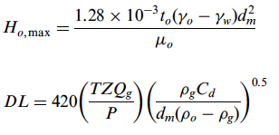
CALCULATIONS |  |  |  |  |  |  | EQUATIONS
Step 1: | Determine gas and oil properties
ρg | 0.89 | lb/ft3 | Gas operating density
ρo | 55.5 | lb/ft3 | Oil operating density

Step 2: | Determine Cd
Cd | 2.07 | Assume | Drag coefficient
u | 0.65 | ft/s | Settling velocity of oil droplet
Re | 22 |  | Reynolds no.
Cd | 2.09
Click me
Error | 0.00 |  | Use goal seek to get error zero, by changing asssumed Cd

Step 3: | Determine minimum diameter for water droplet settling
Ho,max | 36.0 | in
Aw / A | 0.10 |  | Ao + Aw = NLL * A
Ho / D | 0.315 | Assume
Aw / A | 0.13
Click me
Error | 0.00 |  | Use goal seek to get error zero, by changing asssumed Ho/D
Dmax | 114 | in | Maximum allowable vessel diameter

Step 4: | Check for gas capacity constraint
DL | 122 | in.ft

Step 4: | Check for liquid capacity constraint
D2L | 214350 | in2ft

Try different combinations of D (smaller than Dmax).
TABLE 1
D, in | L (gas), ft | Ls (gas)= L + D/12, ft | L, ft | Ls (liquid)= 4 L/3, ft | Governing case | SR = L / (D/12)
12 | 10.2 | 11.2 | 1488.5 | 1984.7 | Liquid Capacity | 1984.7 | TABLE 2 (Ref. API 12J)
24 | 5.1 | 7.1 | 372.1 | 496.2 | Liquid Capacity | 248.1 | Oil Gravities |  | Retention time, minutes (Typical)
30 | 4.1 | 6.6 | 238.2 | 317.6 | Liquid Capacity | 127.0 | Above 35 oAPI |  | 3 to 5
36 | 3.4 | 6.4 | 165.4 | 220.5 | Liquid Capacity | 73.5 | Below 35 oAPI
66 | 1.9 | 7.4 | 49.2 | 65.6 | Liquid Capacity | 11.9 | 100+ oF |  | 5 to 10
72 | 1.7 | 7.7 | 41.3 | 55.1 | Liquid Capacity | 9.2 | 80+ oF |  | 10 to 20
78 | 1.6 | 8.1 | 35.2 | 47.0 | Liquid Capacity | 7.2 | 60+ oF |  | 20 to 30
84 | 1.5 | 8.5 | 30.4 | 40.5 | Liquid Capacity | 5.8
90 | 1.4 | 8.9 | 26.5 | 35.3 | Liquid Capacity | 4.7
96 | 1.3 | 9.3 | 23.3 | 31.0 | Liquid Capacity | 3.9
102 | 1.2 | 9.7 | 20.6 | 27.5 | Liquid Capacity | 3.2

Ls | 35.3 | ft | Seam to seam length (select from Table 1)
SR | 4.7 |  | Slenderness ratio (typical value 3 to 5) (select from Table 1)
D | 90.0 | in | Separator diameter (select from Table 1)
L | 26.5 | ft | Effective length of the separator
Qg | 156 | mmscfd | Calculated gas capacity for selected L & D (Should be more than 8 MMSCFD - input value)

NOTES
1. As per GPSA, typical horizontal L/D ratios are normally in the 2.5 to 5 range.

